Visuals
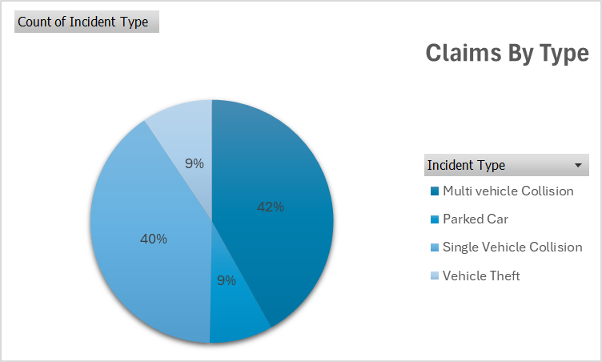
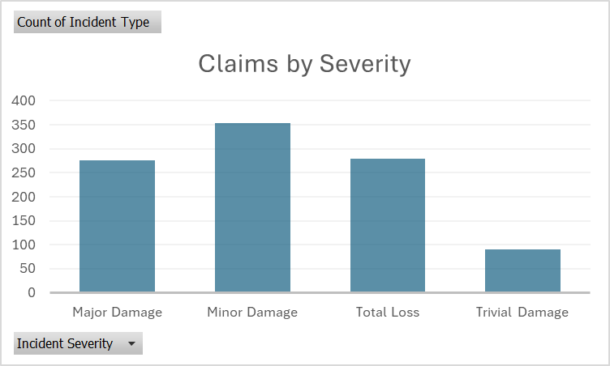

Identifies the most common types of incidents.
Identifies claims by the severity, with minor damage being the highest reported claims.

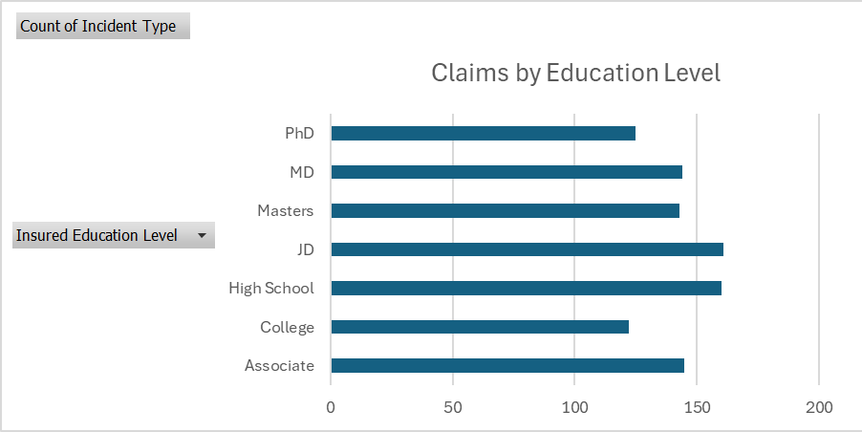
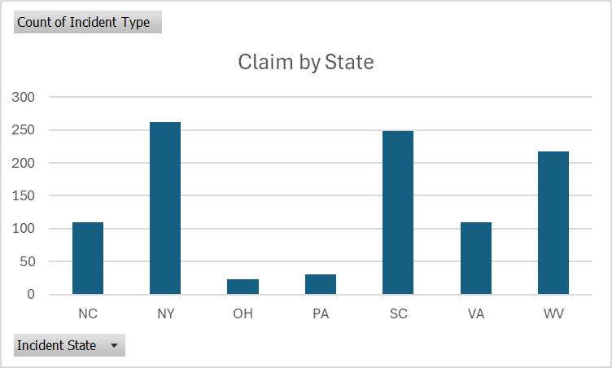

Claims bu state, with NY and SC being the highest, contributing to more than 50% of claims.
Examines claims by insured attributes such as education level.

